Statistics & Graph
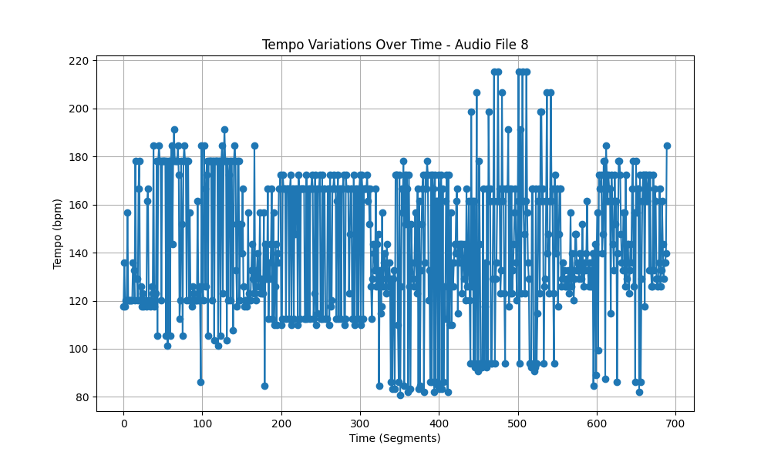
Metric | Value
Mean | 143.09776789
Standard Deviation | 28.908375101
Coefficient of Variation (CV) | 20.201835101

